Table 1
2017-2018 Prescription Opioid Overdose Data
 | Changes in drug overdose death rates involving prescription opioids by select states, United States, 2017 to 2018
 |  | 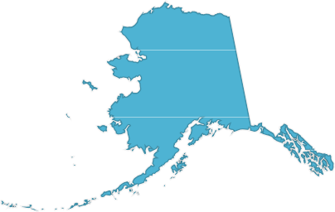 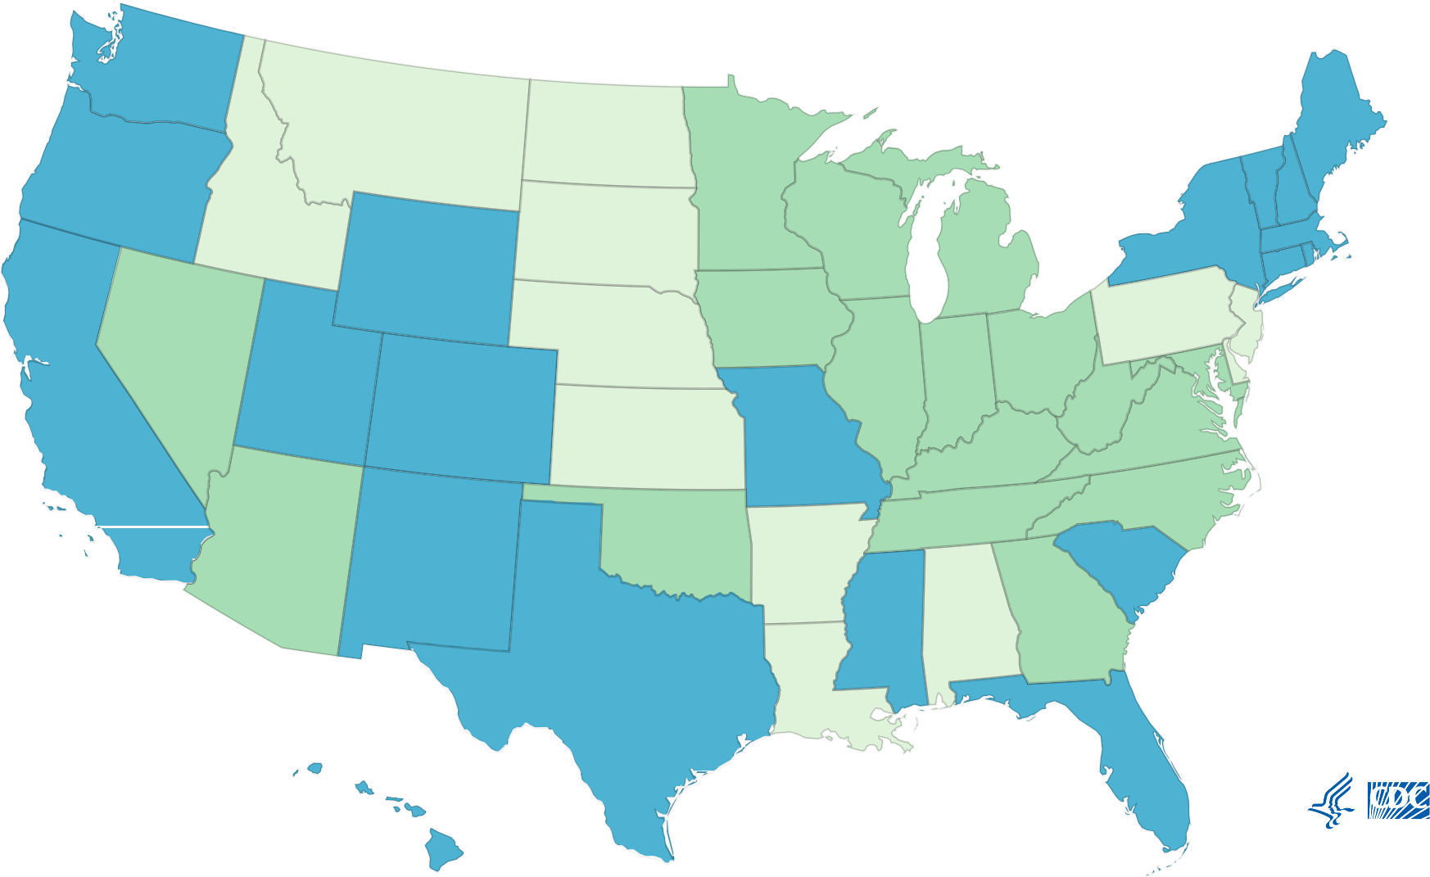
 |  | Legend Did not meet inclusion criteria Decrease Stable-not signiﬁcant
SOURCE: CDC/NCHS, National Vital Statistics System, Mortality. CDC WONDER, Atlanta, GA: US Department of Health and Human Services, CDC; 2018. https://wonder.cdc.gov/
 |  |  |  |  |  |  |  |  |  |  |  |  |  | Search:

↑↓ ↑↓ Did not meet |  |  |  |  |  |  | Percent change from 2017 to 2018 ↑↓ |  | ↑↓ ↑↓ |  |  | ↑↓ ↑↓
2018
Rate
Reporting
 |  |  |  |  |  |  |  |  |  |  |  |  |  |  |  | ↑↓ ↑↓ Did not meet
Alabama |  |  | inclusion criteria |  | n/a n/a n/a n/a n/a n/a |  |  |  |  |  |  |  |  |  | inclusion criteria
 | Stable-not very good to Alaska signi cant -30 no 51 7 38 4.9 excellent reporting
 |  |  |  |  |  |  |  |  |  |  |  |  |  |  |  |  | very good to excellent reporting
Arizona Decrease -15.3 yes 414 5.9 362 5

Arkansas |  |  |  | Did not meet inclusion criteria |  | n/a |  | n/a |  | n/a | n/a |  | n/a | n/a |  | Did not meet inclusion criteria
California |  |  |  | Stable-not signi cant |  | -7.1 |  | no |  | 1,169 | 2.8 |  | 1,084 | 2.6 |  | good reporting
Colorado |  |  |  | Stable-not signi cant |  | -13.7 |  | no |  | 300 | 5.1 |  | 268 | 4.4 |  | good reporting
Connecticut |  |  |  | Stable-not signi cant |  | -16.9 |  | no |  | 273 | 7.7 |  | 231 | 6.4 |  | very good to excellent reporting
Delaware |  |  |  | Did not meet inclusion criteria |  | n/a |  | n/a |  | n/a | n/a |  | n/a | n/a |  | Did not meet inclusion criteria
District of Columbia |  |  |  | Stable-not signi cant |  | -32.1 |  | no |  | 58 | 8.4 |  | 41 | 5.7 |  | very good to excellent reporting
Florida |  |  |  | Stable-not signi cant |  | 0 |  | no |  | 1,272 | 6 |  | 1,282 | 6 |  | good reporting
Georgia |  |  |  | Decrease |  | -24.1 |  | yes |  | 568 | 5.4 |  | 440 | 4.1 |  | very good to excellent reporting
Hawaii |  |  |  | Stable-not signi cant |  | -8 |  | no |  | 40 | 2.5 |  | 33 | 2.3 |  | good reporting
Idaho |  |  |  | Did not meet inclusion criteria |  | n/a |  | n/a |  | n/a | n/a |  | n/a | n/a |  | Did not meet inclusion criteria
Illinois |  |  |  | Decrease |  | -12.5 |  | yes |  | 623 | 4.8 |  | 539 | 4.2 |  | very good to excellent reporting
Indiana |  |  |  | Decrease |  | -15.2 |  | yes |  | 425 | 6.6 |  | 370 | 5.6 |  | good reporting
Iowa |  |  |  | Decrease |  | -38.2 |  | yes |  | 104 | 3.4 |  | 64 | 2.1 |  | very good to excellent reporting
Kansas |  |  |  | Did not meet inclusion criteria |  | n/a |  | n/a |  | n/a | n/a |  | n/a | n/a |  | Did not meet inclusion criteria
Kentucky |  |  |  | Decrease |  | -29.4 |  | yes |  | 433 | 10.2 |  | 315 | 7.2 |  | good reporting
Louisiana |  |  |  | Did not meet inclusion criteria |  | n/a |  | n/a |  | n/a | n/a |  | n/a | n/a |  | Did not meet inclusion criteria
Maine |  |  |  | Stable-not signi cant |  | -32.9 |  | no |  | 100 | 7.6 |  | 69 | 5.1 |  | very good to excellent reporting
Maryland |  |  |  | Decrease |  | -20 |  | yes |  | 711 | 11.5 |  | 576 | 9.2 |  | very good to excellent reporting
Massachusetts |  |  |  | Stable-not signi cant |  | 2.2 |  | no |  | 321 | 4.6 |  | 331 | 4.7 |  | very good to excellent reporting
Michigan |  |  |  | Decrease |  | -13.8 |  | yes |  | 633 | 6.5 |  | 556 | 5.6 |  | good reporting
Minnesota |  |  |  | Decrease |  | -30.6 |  | yes |  | 195 | 3.6 |  | 136 | 2.5 |  | good reporting
Mississippi Stable-not -3.1 |  |  |  |  |  |  |  | no |  | 96 | 3.2 |  | 92 | 3.1 |  | good reporting
Missouri Stable-not 7.3 signi cant |  |  |  |  |  |  |  | no |  | 253 | 4.1 |  | 265 | 4.4 |  | very good to excellent
 |  |  |  |  |  |  |  |  |  |  |  |  |  |  |  | reporting
Montana |  |  |  | Did not meet inclusion criteria |  | n/a |  | n/a |  | n/a | n/a |  | n/a | n/a |  | Did not meet inclusion criteria
Nebraska |  |  |  | Did not meet inclusion criteria |  | n/a |  | n/a |  | n/a | n/a |  | n/a | n/a |  | Did not meet inclusion criteria
Nevada |  |  |  | Decrease |  | -17.2 |  | yes |  | 276 | 8.7 |  | 235 | 7.2 |  | very good to excellent reporting
New Hampshire |  |  |  | Stable-not signi cant |  | -35.4 |  | no |  | 62 | 4.8 |  | 43 | 3.1 |  | very good to excellent reporting
New Jersey |  |  |  | Did not meet inclusion criteria |  | n/a |  | n/a |  | n/a | n/a |  | n/a | n/a |  | Did not meet inclusion criteria
New Mexico |  |  |  | Stable-not signi cant |  | -3.5 |  | no |  | 171 | 8.5 |  | 176 | 8.2 |  | very good to excellent reporting
New York |  |  |  | Stable-not signi cant |  | -3.9 |  | no |  | 1,044 | 5.1 |  | 998 | 4.9 |  | very good to excellent reporting
North Carolina |  |  |  | Decrease |  | -27.7 |  | yes |  | 659 | 6.5 |  | 489 | 4.7 |  | very good to excellent reporting
North Dakota |  |  |  | Did not meet inclusion criteria |  | n/a |  | n/a |  | n/a | n/a |  | n/a | n/a |  | Did not meet inclusion criteria
Ohio |  |  |  | Decrease |  | -40.5 |  | yes |  | 947 | 8.4 |  | 571 | 5 |  | very good to excellent reporting
Oklahoma |  |  |  | Decrease |  | -35.8 |  | yes |  | 251 | 6.7 |  | 172 | 4.3 |  | very good to excellent reporting
Oregon |  |  |  | Stable-not signi cant |  | -2.9 |  | no |  | 154 | 3.5 |  | 151 | 3.4 |  | very good to excellent reporting
Pennsylvania |  |  |  | Did not meet inclusion criteria |  | n/a |  | n/a |  | n/a | n/a |  | n/a | n/a |  | Did not meet inclusion criteria
Rhode Island Stable-not -12.5 signi cant |  |  |  |  |  |  |  | no |  | 99 | 8.8 |  | 85 | 7.7 |  | very good to excellent
 |  |  |  |  |  |  |  |  |  |  |  |  |  |  |  | reporting
2017
Deaths
2018
Deaths
South Carolina Stable-not 4.2 signi cant |  |  |  |  |  |  |  | no |  | 345 | 7.1 |  | 375 | 7.4 |  | very good to excellent
Location
Category
Statistically
2017
 |  |  |  |  |  |  |  |  |  |  |  |  |  |  |  | reporting
Signi cant
Rate
signi cant

South Dakota |  |  |  | Did not meet inclusion criteria |  | n/a |  | n/a |  | n/a | n/a |  | n/a | n/a |  | Did not meet inclusion criteria
Tennessee |  |  |  | Decrease |  | -14.6 |  | yes |  | 644 | 9.6 |  | 550 | 8.2 |  | very good to excellent reporting
Texas |  |  |  | Stable-not signi cant |  | -17.4 |  | no |  | 646 | 2.3 |  | 547 | 1.9 |  | good reporting
Utah |  |  |  | Stable-not signi cant |  | -2.8 |  | no |  | 315 | 10.8 |  | 306 | 10.5 |  | very good to excellent reporting
Vermont |  |  |  | Stable-not signi cant |  | -30.2 |  | no |  | 40 | 6.3 |  | 27 | 4.4 |  | very good to excellent reporting
Virginia |  |  |  | Decrease |  | -19.1 |  | yes |  | 404 | 4.7 |  | 326 | 3.8 |  | very good to excellent reporting
Washington |  |  |  | Stable-not signi cant |  | -11.6 |  | no |  | 343 | 4.3 |  | 301 | 3.8 |  | very good to excellent reporting
West Virginia |  |  |  | Decrease |  | -23.8 |  | yes |  | 304 | 17.2 |  | 234 | 13.1 |  | very good to excellent reporting
Wisconsin |  |  |  | Decrease |  | -17.2 |  | yes |  | 362 | 6.4 |  | 301 | 5.3 |  | very good to excellent reporting
Wyoming |  |  |  | Stable-not signi cant |  | -23.3 |  | no |  | 31 | 6 |  | 28 | 4.6 |  | very good to excellent reporting
Showing 1 to 51 of 51 entries
About This Map and Data Table
Drug overdose deaths, as de ned, that have natural and semi-synthetic opioids (T40.2) or methadone (T40.3) as a contributing cause. Categories of deaths are not exclusive as deaths might involve more than one drug category. Summing of categories will result in more than the total number of deaths in a year. Analyses were limited to states meeting the following criteria: For states with very good to excellent reporting, ≥90% of drug overdose deaths mention at least one speci c drug in 2017, with the change in drug overdose deaths mentioning of at least one speci c drug differing by <10 percentage points between 2017 and 2018. States with good reporting had 80% to <90% of drug overdose deaths mention at least one speci c drug in 2017, with the change in the percentage of drug overdose deaths mentioning at least one speci c drug differing by <10 percentage points between 2017 and 2018. States included also were required to have stable rate estimates, i.e., based on ≥20 deaths, in at least two drug categories (i.e., opioids, prescription opioids, synthetic opioids other than methadone, and heroin). Statistically signi cant (P-value <0.05). Rate comparisons between states should not be made due to variations in reporting across states.
Back to the Prescription Opioid Overdose Data Maps Webpage.
Page last reviewed: March 17, 2021

